Sharda Enclave
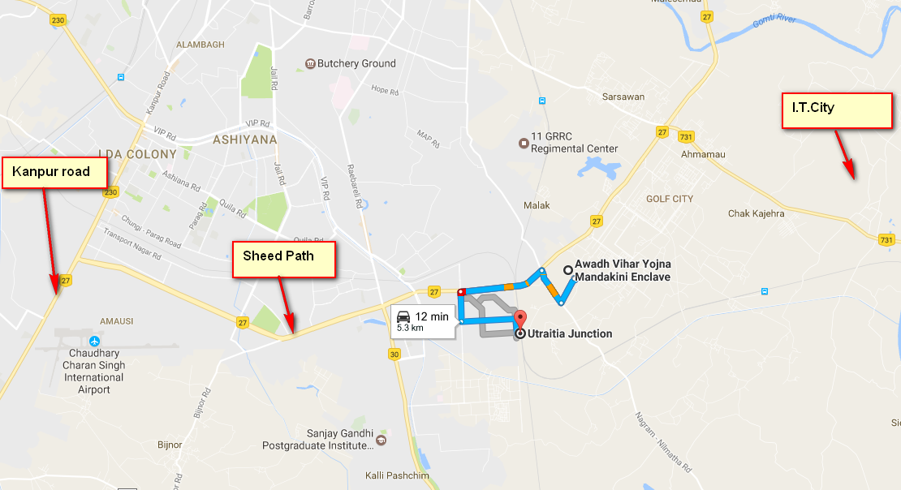
Sharda Enclave

Type | Number of Flats | Super Area (In Sq.Mtr) | Build-up Area(In Sq.Mtr) | Estimated Cost | Registration Amount | After 30 Days | 9 Quarterly Payment
1 BHK Type-A | 288 | 29.85 | 27.32 | 10.45 | 55000 | 135000 | 95000
1 BHK Type-B | 192 | 39.75 | 33.96 | 13.9 | 70000 | 150000 | 130000
2 BHK | 624 | 58.54 | 47.08 | 20.45 | 100000 | 235000 | 190000
 |  |  |  |  |  |  |  | Type | Number of Flats | Super Area in Sq. ft | Build up area(Sq.Ft.) |  | * 9 Quarter | After 30 Days Payent | Registration Amount | Total Cost

 |  |  |  |  |  |  |  | 1 BHK Type-A | 288 | 321.3 | 294.07 | 95000 | 855000 | 135000 | 55000 | 1045000
 |  |  |  |  |  |  |  | 1 BHK Type-B | 192 | 427.86 | 365.54 | 130000 | 1170000 | 150000 | 70000 | 1390000
 |  |  |  |  |  |  |  | 2 BHK | 624 | 630.11 | 506.76 | 190000 | 1710000 | 235000 | 100000 | 2045000

 |  |  |  |  |  |  |  |  |  |  |  |  |  |  |  |  |  | 8.9 | 100 | 12

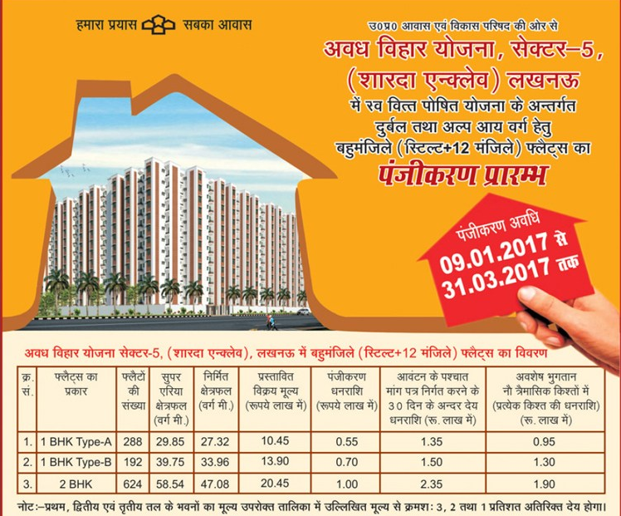
 |  |  |  |  |  |  |  |  |  |  |  |  |  |  | 2017-06-17 | 190000 | 190000 | 16910 | 1409.1666667
 |  |  |  |  |  |  |  |  |  |  |  |  |  |  | 2017-07-17 |  |  |  | 1409.167
 |  |  |  |  |  |  |  |  |  |  |  |  |  |  | 2017-08-17 |  |  |  | 1409.167
 |  |  |  |  |  |  |  |  |  |  |  |  |  |  | 2017-09-17 | 190000 | 380000 | 33820 | 2818.3333333
 |  |  |  |  |  |  |  |  |  |  |  |  |  |  | 2017-10-17 |  |  |  | 2818.333
 |  |  |  |  |  |  |  |  |  |  |  |  |  |  | 2017-11-17 |  |  |  | 2818.333
 |  |  |  |  |  |  |  |  |  |  |  |  |  |  | 2017-12-17 | 190000 | 570000 | 50730 | 4227.5
 |  |  |  |  |  |  |  |  |  |  |  |  |  |  | 2018-01-18 |  |  |  | 4227.5
 |  |  |  |  |  |  |  |  |  |  |  |  |  |  | 2018-02-18 |  |  |  | 4227.5
 |  |  |  |  |  |  |  |  |  |  |  |  |  |  | 2018-03-18 | 190000 | 760000 | 67640 | 5636.6666667
 |  |  |  |  |  |  |  |  |  |  |  |  |  |  | 2018-04-18 |  |  |  | 5636.667
 |  |  |  |  |  |  |  |  |  |  |  |  |  |  | 2018-05-18 |  |  |  | 5636.667
 |  |  |  |  |  |  |  |  |  |  |  |  |  |  | 2018-06-18 | 190000 | 950000 | 84550 | 7045.8333333
 |  |  |  |  |  |  |  |  |  |  |  |  |  |  | 2018-07-18 |  |  |  | 7045.833
 |  |  |  |  |  |  |  |  |  |  |  |  |  |  | 2018-08-18 |  |  |  | 7045.833
 |  |  |  |  |  |  |  |  |  |  |  |  |  |  | 2018-09-18 | 190000 | 1140000 | 101460 | 8455
 |  |  |  |  |  |  |  |  |  |  |  |  |  |  | 2018-10-18 |  |  |  | 8455
 |  |  |  |  |  |  |  |  |  |  |  |  |  |  | 2018-11-18 |  |  |  | 8455
 |  |  |  |  |  |  |  |  |  |  |  |  |  |  | 2018-12-18 | 190000 | 1330000 | 118370 | 9864.1666667
 |  |  |  |  |  |  |  |  |  |  |  |  |  |  | 2019-01-19 |  |  |  | 9864.167
 |  |  |  |  |  |  |  |  |  |  |  |  |  |  | 2017-02-19 |  |  |  | 9864.167
 |  |  |  |  |  |  |  |  |  |  |  |  |  |  | 2015-03-19 | 190000 | 1520000 | 135280 | 11273.333333
 |  |  |  |  |  |  |  |  |  |  |  |  |  |  | 2013-04-19 |  |  |  | 11273.33
 |  |  |  |  |  |  |  |  |  |  |  |  |  |  | 2011-05-19 |  |  |  | 11273.33
 |  |  |  |  |  |  |  |  |  |  |  |  |  |  | 2009-06-19 | 190000 | 1710000 | 152190 | 12682.5 | 164872.494

